Hoja1
PROC. AMD A8-9600 ( AD9600AGABBOX ) 3.4GHZ-2.0MB | 69
MB MSI A320M PRO-VH PLUS ( A320M PRO-VH PLUS ) AM4 | 57
HDD SEAGATE 500GB ( ST3500414CS ) PIPELINE / 16MB / 5900RPM | 28
TARJ. VIDEO GIGABYTE GTX 1050 2GB DDR5 ( GV-N1050WF2OC-2GD ) 128 BIT | 200
COMBO HALION MIRAGE ( HA-810C ) TECLADO + MOUSE | 18
MONITOR VIEWSONIC LED 24" ( VA2407H ) VGA / HDMI | 120
MEM. RAM CRUCIAL DDR4 8GB/2400 ( BLS8G4D240FSBK ) BALLISTIX SPORT | 108
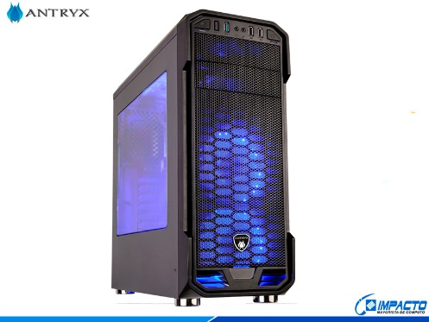
CASE ANTRYX RX 350 ( AC-RX350W-W3F2R ) SIN- FUENTE / BLANCO CON- NEGRO | 50 | 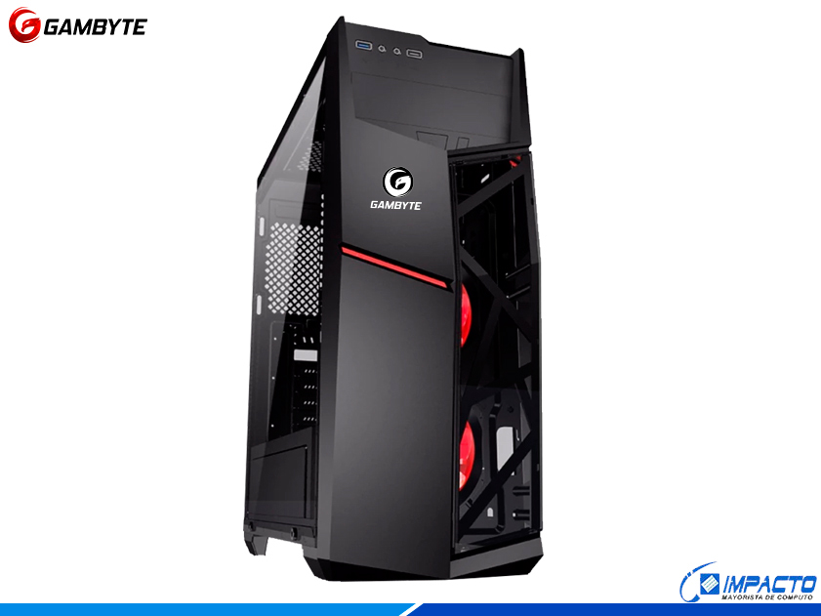 CASE GAMBYTE VADER ( GTA71118A ) SIN- FUENTE / NEGRO / 1 PANEL ACRILICO / LED- ROJO |  | 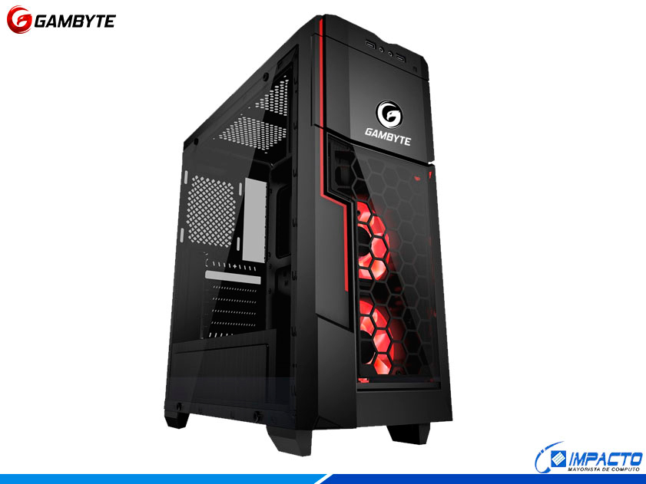
FUENTE AVATEC ( PSA-PRP450 ) 450W | 27

PROC. AMD A8-9600 ( AD9600AGABBOX ) 3.4GHZ-2.0MB | 69
MB MSI A320M PRO-VH PLUS ( A320M PRO-VH PLUS ) AM4 | 57
HDD SEAGATE 500GB ( ST3500414CS ) PIPELINE / 16MB / 5900RPM | 28
TARJ. VIDEO GIGABYTE GTX 1050 2GB DDR5 ( GV-N1050WF2OC-2GD ) 128 BIT | 200

MEM. RAM CRUCIAL DDR4 8GB/2400 ( BLS8G4D240FSBK ) BALLISTIX SPORT | 108
CASE ANTRYX RX 350 ( AC-RX350W-W3F2R ) SIN- FUENTE / BLANCO CON- NEGRO | 50
FUENTE AVATEC ( PSA-PRP450 ) 450W | 27
 | 539 | 3.27 | 1762.53

